工作表1
Xmind

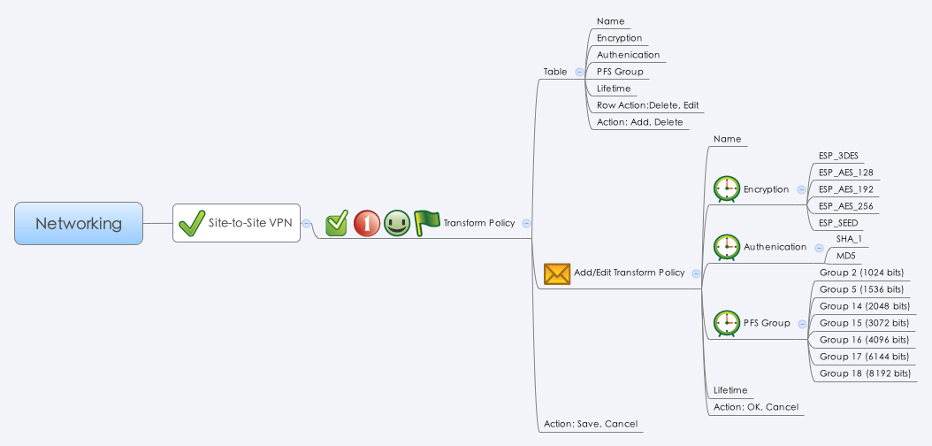

Behavior
# Limitations: Max Transform Policy Table Size = 16

[UI Display Name] | [CGI Name] | [JSON Name] | [Description] | [Restrictions]
Name | ipsectransform.cgi | guiIpsectransformT.name | All viewable ASCII code except (whitespace) ‘ ` “ % ? | Length: 63
Encryption | ipsectransform.cgi | guiIpsectransformT.cipher | Select: "des": "ESP_DES", "3des": "ESP_3DES", "aes128": "ESP_AES_128", "aes192": "ESP_AES_192", "aes256": "ESP_AES_256", "seed_cbc":"ESP_SEED"
Authentication | ipsectransform.cgi | guiIpsectransformT.hash | Select: "sha1": "SHA_1", "md5": "MD5"
PFS Group | ipsectransform.cgi | guiIpsectransformT.pfsgroup | Select: "modp1024": "Group 2 (1024 bits)", "modp1536": "Group 5 (1536 bits)", "modp2048": "Group 14 (2048 bits)" "modp3072": "Group 15 (3072 bits)" "modp4096": "Group 16 (4096 bits)" "modp6144": "Group 17 (6144 bits)" "modp8192": "Group 18 (8192 bits)"
Lifetime | ipsectransform.cgi | guiIpsectransformT.lifetime | range: 180 ~ 86400. Default: 3600. (seconds) | Range: 180-86400, Default: 3600, Unit: Seconds
N/A | ipsectransform.cgi | guiIpsectransformT.cgiAction | int: 0:none, 1:add, 2:update, 3:delete

JSON String
## cgi name ##
ipsectransform.cgi
## GET & POST methods ##
{
"guiIpsectransformTNum": 1,
"guiIpsectransformT": [
{
"gid": 268828672,
"name": "DefaultTrans",
"cipher": "aes128",
"hash": "sha1",
"pfsgroup": "modp1024",
"lifetime": 3600,
"userDefined": 0,
"cgiAction": 0
}
]
}

